Sheet1
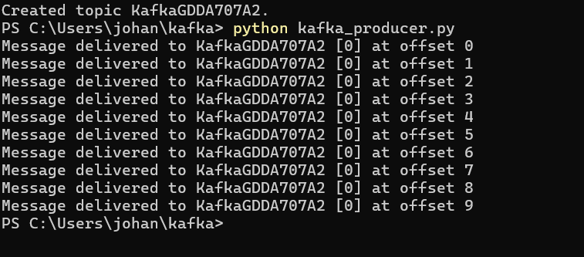
JOHANA ORELLANA
PART B:
Task 4: Set up a data streaming pipeline with Kafka to integrate data for data analysis. Discuss how Kafka's reliability features ensure data consistency and fault tolerance in real-time processing.

Apache Kafka is widely used for real-time data streaming and processing.
Kafka use Data Replication, this is useful to ensure the data is durability and availability
This replication can be through Replication Factor (how many copies of the data are maintained across different brokers (servers).

Kafka’s reliability features—including replication, durability, acknowledgment mechanisms, consumer offset management, and automatic recovery
collectively ensure high availability, data consistency, and fault tolerance in real-time data processing.

These features make Kafka a robust choice for managing streaming data and integrating various data sources and processing systems.

